Sheet1
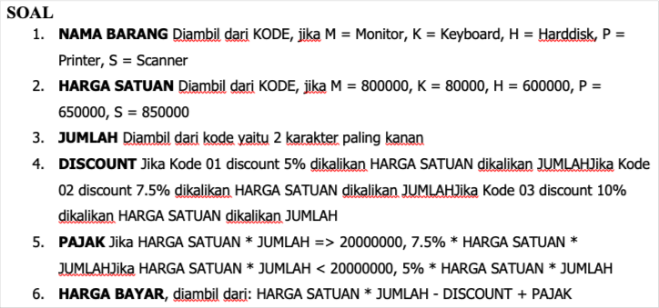
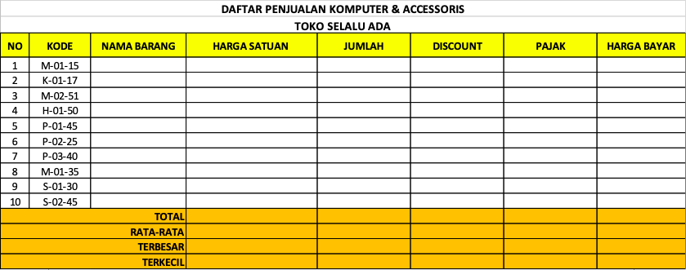
TUGAS UAS SOFTWARE TERAPAN SEMESTER 1 - ARIF SIDDIK MUHARAM - 22040003 - TEKNIK INFORMASIKA - FIK

NO | KODE | NAMA BARANG | HARGA SATUAN | JUMLAH | DISCOUNT | PAJAK | HARGA BAYAR
1 | M-01-15 | Monitor | 800000 | 15 | 600000 | 600000 | 12000000
2 | K-01-17 | Keyboard | 80000 | 17 | 68000 | 68000 | 1360000
3 | M-02-51 | Monitor | 800000 | 51 | 3060000 | 3060000 | 40800000
4 | H-01-50 | Harddisk | 600000 | 50 | 1500000 | 2250000 | 30750000
5 | P-01-45 | Printer | 650000 | 45 | 1462500 | 2193750 | 29981250
6 | P-02-25 | Printer | 650000 | 25 | 1218750 | 812500 | 15843750
7 | P-03-40 | Printer | 650000 | 40 | 2600000 | 1950000 | 25350000
8 | M-01-35 | Monitor | 800000 | 35 | 1400000 | 2100000 | 28700000
9 | S-01-30 | Scanner | 850000 | 30 | 1275000 | 1912500 | 26137500
10 | S-02-45 | Scanner | 850000 | 45 | 2868750 | 2868750 | 38250000
TOTAL |  |  | 6730000 | 353 | 16053000 | 17815500 | 249172500
RATA-RATA |  |  | 673000 | 35 | 1605300 | 1781550 | 24917250
 |  | TERBESAR | 850000 | 51 | 3060000 | 3060000 | 40800000
 |  | TERKECIL | 80000 | 15 | 68000 | 68000 | 1360000

